Sheet1
St Albans Comic-Con
Sunday 2 September 2018
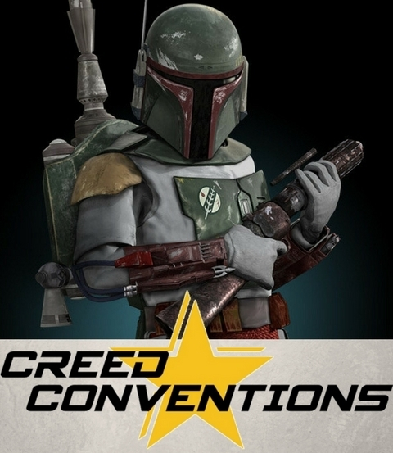
Name

Email
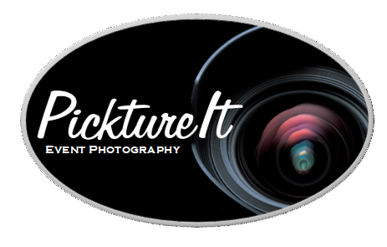

 | Cost | Number | Amount £
Aimee Richardson | £10 |  | £0
Blaine Rincon | £10 |  | £0
Clive Russell | £10 |  | £0
Chris Barrie | £15 |  | £0
Fady Elsayed | £10 |  | £0
Greg Austin | £10 |  | £0
Hannah Spearritt | £15 |  | £0
Julie Dawn Cole | £10 |  | £0
Mark Dexter | £10 |  | £0
Michelle Harrison | £25 |  | £0
Sophie Hopkins | £10 |  | £0
Toby Sebastian | £15 |  | £0
special | £20 |  | £0
special | £20 |  | £0
special | £15 |  | £0
Rimmer Brothers special | £20 |  | £0
 | Total | 0 | £0

Please add name, email and number of photos required. The amount will calculate automatically.
Once complete please email to creedconventions@yahoo.com to confirm your booking

